Sheet1
NO | Program | Program explain | Start position
1 | PROBE_CAL.mpf | Probe radius and eccentricity calibration
 | ;%@MACRO;// M10719 WAIT[0,0]; G17 G40 G49 G69 G80 G90; @880 = 49.9995 ;//[HUAN GUI DA XIAO] @820 = 0 G59 G43H16Z@820; G04X0.5; @700=0 @701=0 @702 = 0; @703 =0 M10802 D@880 F3000; M10803 D@880 F3000.; M10720 M30; | Place the probe in the exact center position before executing the program. G59 is starting position coordinate offset @880 is the ring gauge diameter, the exact diameter is 49.9995mm @820: Measurement height. M10719 probe open M10720 probe is off Variable address: @700 X direction effective radius @701 Y direction effective radius @702 X direction eccentric @703 Y direction eccentric | 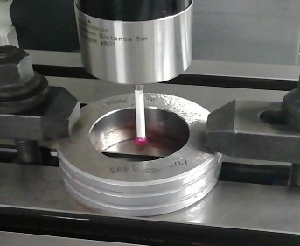
2 | PROBE_CAL2.MPF | Probe length calibration
 | ;%@MACRO;// M10719 WAIT[0,0]; G17 G40 G49 G69 G80 G90; @880 = 0 ; @820 = 10. G59; G43H16Z@820; G04X0.5; M10801Z@880 T16; M10720; M30; | Place the probe about 10mm above the ring gauge and execute the program. X, Y of G59 is the coordinate offset of the starting position, and Z is the accurate coordinate value of the probe on the surface of the ring gauge. @880: The coordinates of the exact position of the ring gauge surface are 0. @820: Measurement height. T16: calibration result will save to T16 offset | 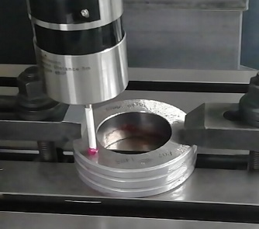
3 | PROBE_MEAS_HOLE.mpf | Inner hole center coordinate measurement
 | ;%@MACRO;// M10719 WAIT[0,0]; G17 G40 G49 G69 G80 G90; @880 = 26; @820 = 0 @860 = 2 G59; G43H16Z@820; M10814G04X0.5; D@880 S@860 F3000. M10720 M30; | Place the probe in the approximate center position before executing the program. @880: It is the diameter of the hole. The diameter of the test piece is 26mm. @820:G43 safe height @860: system will store the measurement results (X and Y coordinates) in the specified coordinate.1-6 corresponds to G54-G59, 101-148 corresponds to G54P1-G54P48 | 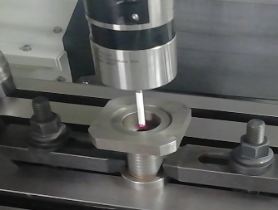
4 | PROBE_MEAS_BULGE_CIRCLE.MPF | Circular boss center coordinate measurement
 | ;%@MACRO;// M10719 WAIT[0,0]; G17 G40 G49 G69 G80 G90; @880 = 26. @820 = 0 @882 = -15. @860=6 G59; G43H16Z@820; G04X0.5; M10814 D@880 Z@882 S@860F3000. M10720 M30; | Place the probe at approximately the center of the workpiece and then execute the program. G59 is the starting position coordinate compensation @880: is the hole diameter, the test piece is 26mm @820: G43 safe height. @882: is the drop distance when the probe is measuring @860: system will store the measurement results (X and Y coordinates) in the specified coordinate. 1-6 corresponds to G54-G59, 101-148 corresponds to G54P1-G54P48 | 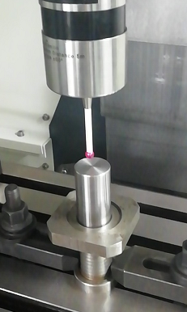
5 | PROBE_MEAS_SLOT.MPF | Slot center coordinate measurement
 | ;%@MACRO;// M10719 WAIT[0,0]; G17 G40 G49 G69 G80 G90; @880 = 50; @820 =0 @860 =2 G59; G43H16Z@820; G04X0.5; M10812 Y@880 S@860F3000. M10720 M30; | Place the probe at approximately center of the workpiece and then execute the program. G59 is the starting position coordinate compensation @880: is the slot width, the test workpiece is 50mm. @820: G43 safe height. @860: system will store the measurement results (X or Y coordinates) in the specified coordinate.1-6 corresponds to G54-G59, 101-148 corresponds to G54P1-G54P48 If Y@880 changed to X@880, it will measure the X-direction slot. | 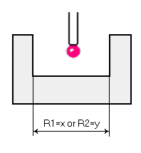
6 | PROBE_MEAS_BULGE.MPF | Boss center coordinate measurement
 | ;%@MACRO;// M10719 WAIT[0,0]; G17 G40 G49 G69 G80 G90; @880 =83. ; @820 =0. @882 =-10. @860 =5 G59; G43H16Z@820; G04X0.5; M10812 Y@880Z@882 S@860F3000. M10720 M30; | Place the probe at approximately the center of the workpiece and then execute the program. G59 is the starting position coordinate compensation @880: is the width of the boss,the test workpiece is 50mm. @820: G43 safe height. @882: Drop distance when measuring the probe @860: system will store the measurement results (X or Y coordinates) in the specified coordinate，1-6 corresponds to G54-G59, 101-148 corresponds to G54P1-G54P48 If Y@880 is changed to X@880, it will measure the X direction. | 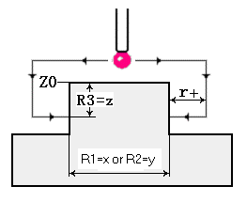
7 | PROBE_MEAS_FACE_X.MPF | X-direction surface measurement
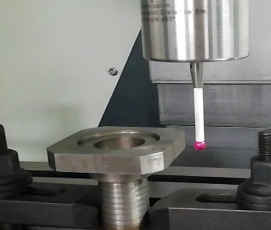
 | ;%@MACRO;//O8005/ /DANBIANX M10719 WAIT[0,0]; G17 G40 G49 G69 G80 G90; @880 =0 @820 = 0 @860 = 3 G59; G43H16Z@820; G04X0.5; M10811 X@880 S@860 F3000. M10720 M30; | Place the probe in the appropriate position in front of the measured surface before executing the program. G59 is the starting position coordinate compensation @880: 0 @820: Measurement height. @860: system will store the measurement result (X coordinate) in the specified coordinate, 1-6 corresponds to G54-G59, 101-148 corresponds to G54P1-G54P48
8 | PROBE_MEAS_FACE_Y.MPF | Y-direction surface measurement
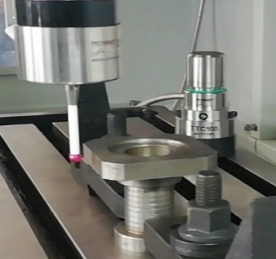
 | ;%@MACRO;// M10719 WAIT[0,0]; G17 G40 G49 G69 G80 G90; @880 =0.; @820 =0 @860 =3 G59; G43H16Z@820; G04X0.5; M10811 Y@880 S@860 F3000. M10720 M30; | Place the probe in the appropriate position in front of the measured surface before executing the program. G59 is the starting position coordinate compensation @880: 0 @820: Measurement height. @860: system will store the measurement result (Y coordinate) in the specified coordinate, 1-6 corresponds to G54-G59, 101-148 corresponds to G54P1-G54P48
9 | PROBE_MEAS_FACE_Z.MPF | Z-direction surface measurement
 | ;%@MACRO;//O8006/ /DANBIANZ M10719 WAIT[0,0]; G17 G40 G49 G69 G80 G90; @880 =0.; @820 =0. @860 =6 G59; G43H16Z@820; G04X0.5; M10811 Z@880 S@860 F3000. M10720 M30; | Place the probe in the appropriate position in front of the measured surface before executing the program. G59 is the starting position coordinate compensation @880: 0 @820: G43 safe height. @860: system will store the measurement result (Z coordinate) in the specified coordinate, 1-6 corresponds to G54-G59, 101-148 corresponds to G54P1-G54P48
10 | PROBE_MEAS_INNER_CORNER.MPF | Inner corner measurement
 | ;%@MACRO;// M10719 WAIT[0,0]; G17 G40 G49 G69 G80 G90; @880 =-25. ; @881=25. @820=0 @860=4 G59; G43H16Z@820; G04X0.5; M10815X@880 Y@881S@860F3000. M10720; M30; | Position the probe somewhere in the corner and then execute the program. G59 is the starting position coordinate compensation @880: X direction measurement distance is -25mm. @881: Y direction measurement distance is 25mm. @820: G43 safe height. @860: system will store the measurement results (X and Y coordinates) in the specified coordinate1-6 corresponds to G54-G59, 101-148 corresponds to G54P1-G54P48 | 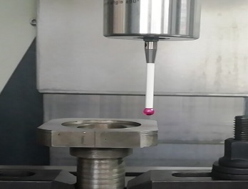 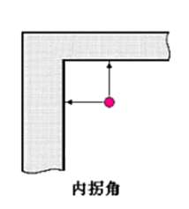
11 | PROBE_MEAS_OUT_CORNER.MPF | Outer corner measurement
 | ;%@MACRO;//O8009/ /WAIGUAIJIA M10719 WAIT[0,0]; G17 G40 G49 G69 G80 G90; @880 =-15; @820=0 @881=-15. @860=5 G59; G43H16Z@820; G04X0.5; M10816X@880 Y@881S@860F3000. M10720 M30; | Position the probe somewhere in the corner and then execute the program. G59 is the starting position coordinate compensation @880: X axis will move -15*2=30mm first, then measure -15mm on Y direction for measurement @881: Y axis will move -15*2=30mm first, then measure -15mm on X direction for measurement @820: G43 safe height. @860: system will store the measurement results (X and Y coordinates) in the specified coordinate1-6 corresponds to G54-G59, 101-148 corresponds to G54P1-G54P48 | 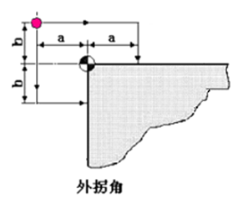
12 | PROBE_MEAS_ANGLE.MPF | Plane angle measurement
 | ;%@MACRO;// M10719 WAIT[0,0]; G17 G40 G49 G69 G80 G90; @880 =-15. ; @820=0. @883=30 @884=90 G59; G43H16Z@820; G04X0.5; M10843Y@880 D@883A@884F3000. @500=@139 M10720 M30; | The probe is positioned at the middle of the two measuring points and keep an appropriate distance from the measure surface. G59 is the starting position coordinate compensation @880: the Y-side measurement distance is -25mm. @820: G43 safe height. @883: the distance between two measuring points, here is 30mm. @884: Reference nominal angle If Y@880 changed to X@880, it will measure the X-side. The measured angle can be seen in @500 | 

